TestSummary
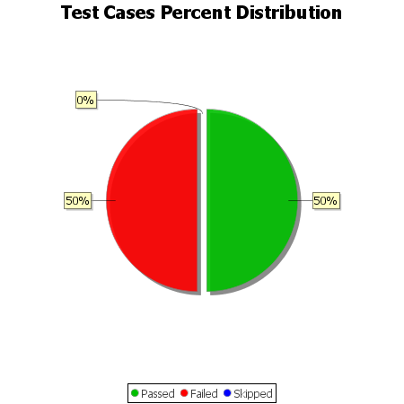
Total Test Cases | 12
Test Cases Passed | 6
Test Cases Failed | 6
Test Cases Skipped | 0

